Sheet1
Interactive Funding Source Comparison Matrix
Feature | Bootstrapping (Self-Funding) | Small Business Loans (Debt Financing) | Angel Investors (Equity Financing) | Venture Capital (VC) | Alternative Financing (Crowdfunding / RBF)
Best For (Stage) | Idea / Pre-Seed Just starting out; proving the concept. | Growth / Mature Established revenue history (usually 2+ years). | Seed / Early Stage Prototype built; some early traction or MVP. | Series A+ / Scale Proven product-market fit; ready for hyper-growth. | Launch / Growth Product launches (Crowdfunding) or SaaS (RBF).
Industry Fit | Service businesses, Consultants, Lifestyle businesses. | Traditional sectors: Retail, Manufacturing, Real Estate, Services. | Tech, Innovation, High-Growth Potential Startups. | Software, Biotech, Deep Tech, Massive Scale Consumer Apps. | Consumer Products (Kickstarter) or Recurring Revenue (SaaS).
Growth Rate | Slow to Moderate Limited by cash flow. | Steady / Linear Predictable growth based on inventory/expansion. | High Targeting 2-3x year-over-year growth. | Explosive "Hockey stick" growth is required (10x+ returns). | Variable Depends on campaign success or revenue limits.
Capital Needs | Low (<$50k) Using personal savings or operating revenue. | Medium ($50k - $5M) Specific needs (equipment, inventory, real estate). | Medium ($25k - $500k) Runway to get to the next big milestone. | High ($2M - $100M+) Massive capital for market dominance. | Low to Medium Project-specific funding.
Cost of Capital | $0 (Technically) High personal risk and opportunity cost. | Interest Rates You pay back principal + interest (8-15%+). | Equity (10-25%) You give up ownership shares. | Significant Equity (20-40%+) High dilution; loss of ownership. | Fees or Rev-Share Platform fees (5-8%) or % of future revenue.
Control & Autonomy | 100% Control You answer to no one. | High Control Bank doesn't interfere with ops as long as you pay. | Moderate Control Angels may want advice rights or board seats. | Low Control VCs require board seats and major decision power. | High Control Backers generally do not get voting rights.
Deep Dive: Understanding Your Options

To help you visualize where your business sits, consider the typical lifecycle of startup funding.

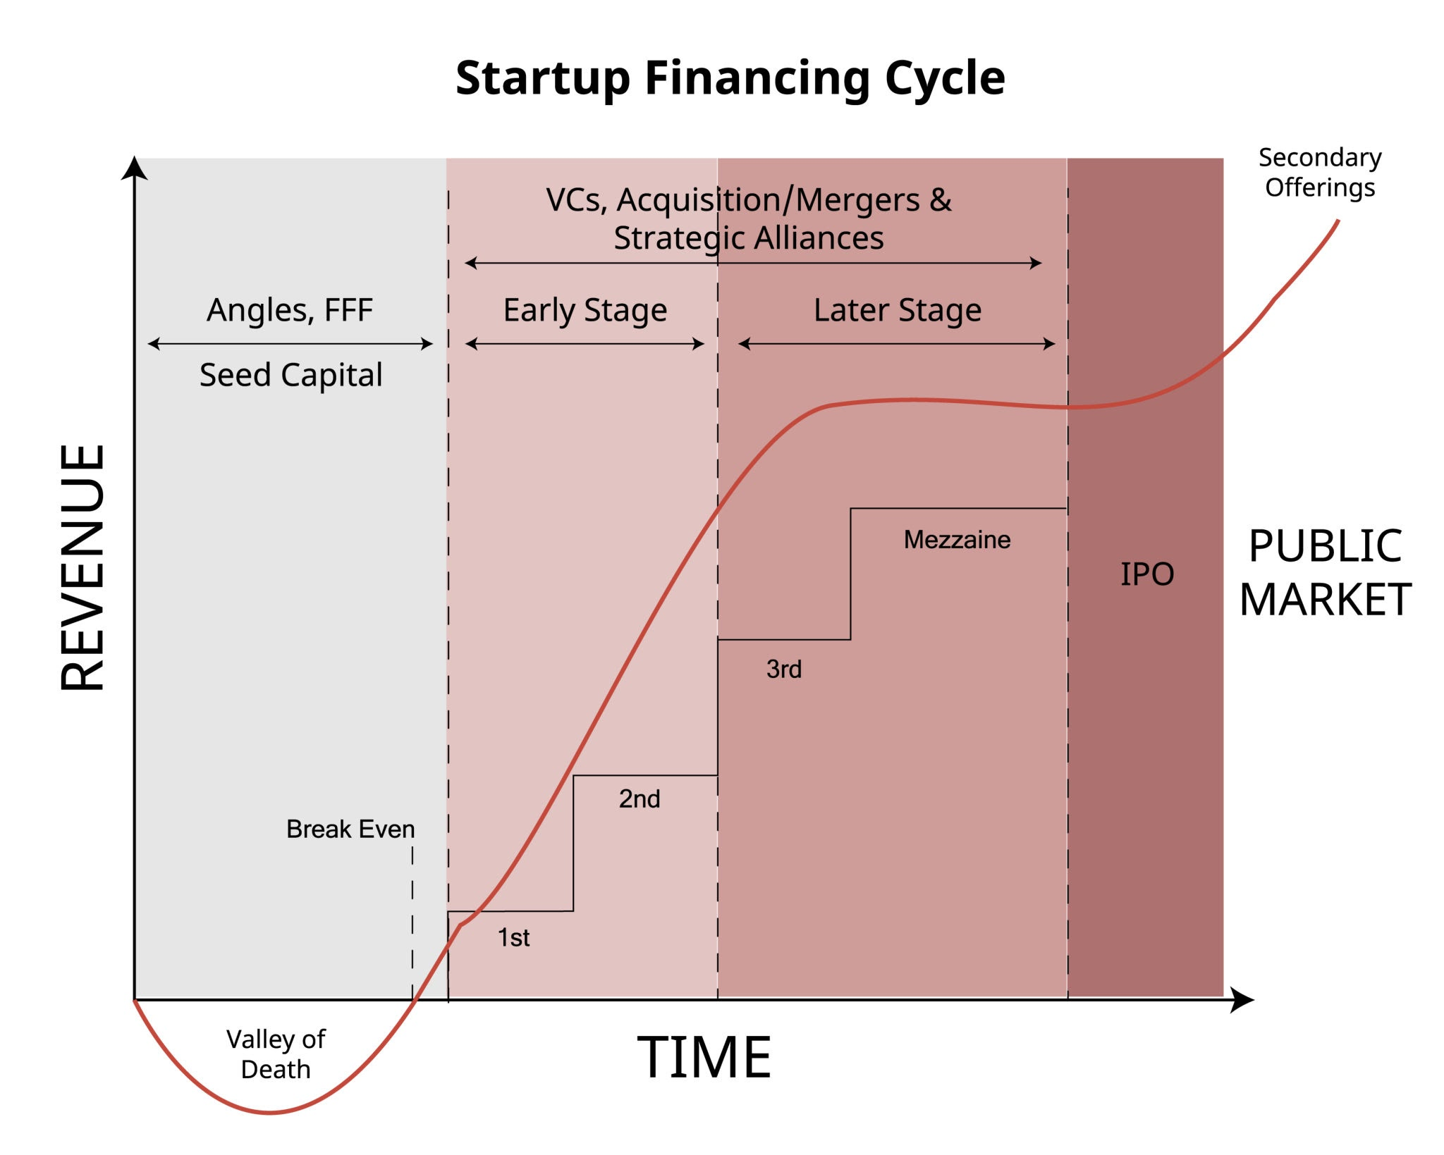

1. Bootstrapping (Self-Funding)

The Vibe: "Slow and steady wins the race."

Why choose it: You want absolute freedom. You are building a lifestyle business or a service agency where massive upfront cash isn't required.

The Trap: If a competitor raises money and moves faster, you might get left behind. You also bear all the financial risk personally.
2. Debt Financing (Loans & Lines of Credit)

The Vibe: "I bet on my ability to pay this back."

Why choose it: You have consistent cash flow and assets (like inventory or invoices). You want to expand (open a second location, buy a machine) without giving away a piece of your company.

The Trap: Loans require repayment regardless of revenue. A bad month can threaten the survival of the business if cash flow dries up.
3. Angel Investors

The Vibe: "Rich uncle (or stranger) believes in your dream."

Why choose it: You need more money than you have, but you aren't ready for the pressure of VCs. You want "Smart Money"—cash attached to mentorship and networks.

The Trap: Managing relationships with individual investors can be time-consuming.
4. Venture Capital (VC)

The Vibe: "Go big or go home."

Why choose it: You are sitting on a rocket ship. You have a scalable product (like software) and need millions now to capture the market before anyone else does.

The Trap: VCs expect an "Exit" (IPO or acquisition) within 5-10 years. If you want to run this family business forever, VC is the wrong fit.

5. Alternative Financing

Crowdfunding (Kickstarter/Indiegogo): Best for B2C physical products. Validates demand before you manufacture.

Revenue-Based Financing (RBF): Best for SaaS or subscription models. You get upfront cash in exchange for a percentage of future monthly revenue until a cap is reached. No equity lost, no rigid loan payments.

Decision Framework: Which one is for you?

Rule of Thumb:

If you can generate revenue from Day 1: Bootstrap.

If you need equipment/inventory: Bank Loan.

If you need to build a prototype to prove it works: Angel.

If you have a proven machine and need fuel to scale globally: VC.

